Pole II A
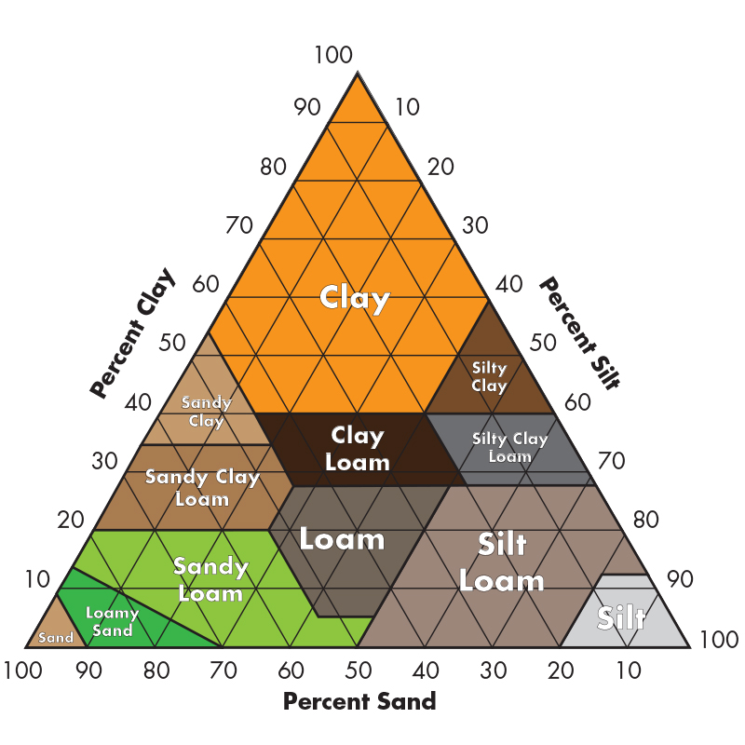
Data Requirements Bayer Shelf Product

categorie | Parameter | Value | Unit | Comment
site | main crop | Rapeseed | - | Wielkopolskie
 | crop yield | 3.79 | t/ha
 | planting date | 2022-08-27 | date
 | harvest date | 2023-07-22 | date
 | % of residues removed from field | 15.00 | %
 | area | 69 | ha
 | site latitude | 52.5194444 | °
 | site longitude | 16.62 | °
 | sand content | 70 | %
 | clay content | 27 | %
 | silt content | 3 | %
machinery use | fossil fuel use soil cultivation |  | l/ha or l
 | soil cultivation machinery type 1 | chisel plough | -
 | number of operation soil cultivation machinery type 1 | 1 | -
 | soil cultivation machinery type 2 | roller harrow | -
 | number of operation soil cultivation machinery type 2 | 1 | -
 | soil cultivation machinery type 3 |  | - | combine harrow (harrow + seed drill)
 | number of operation soil cultivation machinery type 3 |  | - | 1
 | soil cultivation machinery type 4 |  | -
 | number of operation soil cultivation machinery type 4 |  | -
 | soil cultivation machinery type 5 |  | -
 | number of operation soil cultivation machinery type 5 |  | -
 | fossil fuel use crop protection |  | l/ha or l
 | number of crop protection operations | 6 | -
 | fossil fuel use fertilization |  | l/ha or l
 | number of operations liquid fertilization | 1 | -
 | number of operations dry fertilization | 5
 | fossil fuel use harvesting | 0 | l/ha or l
 | electricity use harvesting | 0 | kWh/ha
 | harvesting machinery type | combine harvester | -
 | number of operations harvesting machinery type | 1 | -
 | total fossil fuel use machinery |  | l/year
tillage practice | current tillage practice | conventional tillage | -
 | -> if rt/nt: number of years since practice start | 4 | years
cover crops | are cover crops used for the main crop | no | -
 | number of years since practice start |  | years
 | % of area covered with cover crops | 0 | %
 | CC species components / component mixture |  | -
 | are nitrogen fixing species included? |  | -
 | are included species frost resistant? |  | -
 | planting date CC |  | date
 | termination date CC |  | date
 | termination strategy CC |  | -
 | % of CC residues removed from field | 0 | %
N Fertilization Changes | nitrogen fertilizer type 1 | urea | - | Urea ammonium nitrate solution
 | fertilization rate of type 1 | 137.94 | kg-N/ha | 264 l/ha
 | application strategy type 1 | broadcasting | - | Apply in solution
 | usage of inhibitors (nitrification/urease) with type 1 | no | - | No
 | nitrogen fertilizer type 2 | ammonium-based | -
 | fertilization rate of type 2 | 52.62 | kg-N/ha
 | application strategy type 2 | broadcasting | -
 | usage of inhibitors (nitrification/urease) with type 2 | no | - | 211.68
 | nitrogen fertilizer type 3 | nitrate-based | - | 46.68
 | fertilization rate of type 3 | 21.12 | kg-N/ha | 23.34
 | application strategy type 3 | broadcasting | -
 | usage of inhibitors (nitrification/urease) with type 3 | no | -
 | nitrogen fertilizer type 4 |  | -
 | fertilization rate of type 4 |  | kg-N/ha
 | application strategy type 4 |  | -
 | usage of inhibitors (nitrification/urease) with type 4 |  | -
 | nitrogen fertilizer type 5 |  | -
 | fertilization rate of type 5 |  | kg-N/ha
 | application strategy type 5 |  | -
 | usage of inhibitors (nitrification/urease) with type 5 |  | -
 | nitrogen fertilizer type 6
 | fertilization rate of type 6
 | application strategy type 6
 | usage of inhibitors (nitrification/urease) with type 6
Input Optimization | application rate pesticides | 0.53 | kg/ha
 | application rate herbicides | 0.14 | kg/ha
 | application rate fungicides | 1.00 | kg/ha
Irrigation | water amount |  | l/ha
 | water source |  | -
 | irrigation type |  | -
 | energy source |  | -
 | energy use |  | kWh or l
 | pumping distance |  | km
 | pumping depth |  | m
crop rotation | crop rotation element 1 | winter wheat | -
 | planting date CR element 1 | 2021-09-11 | date
 | harvest date CR element 1 | 2022-07-21 | date
 | yield CR element 1 | 5.5 | t/ha
 | % of residues removed from field for CR element 1 | 100 | %
 | crop rotation element 2 |  | -
 | planting date CR element 2 |  | date
 | harvest date CR element 2 |  | date
 | yield CR element 2 |  | t/ha
 | % of residues removed from field for CR element 2 |  | %
 | crop rotation element 3 |  | -
 | planting date CR element 3 |  | date
 | harvest date CR element 3 |  | date
 | yield CR element 3 |  | t/ha
 | % of residues removed from field for CR element 3 |  | %
 | crop rotation element 4 |  | -
 | planting date CR element 4 |  | date
 | harvest date CR element 4 |  | date
 | yield CR element 4 |  | t/ha
 | % of residues removed from field for CR element 4 |  | %
 | crop rotation element 5 |  | -
 | planting date CR element 5 |  | date
 | harvest date CR element 5 |  | date
 | yield CR element 5 |  | t/ha
 | % of residues removed from field for CR element 5 |  | %
 | SOC cover crop | -0.0023653747003 | t-C/ha | calculated by the IPCC steady state SOC model
 | SOC tillage | -0.0038775307019 | t-C/ha | calculated by the IPCC steady state SOC model
 | SOC rotation | 0 | t-C/ha | estimated
 | CI cover crop | 0 | t-C/ha | NPP*BEDD estimate
 | CI rotation | 0.7999 | t-C/ha | IPCC chapter 11 Tab 11.1

